Graph 1 - Plot of Odds Ratio
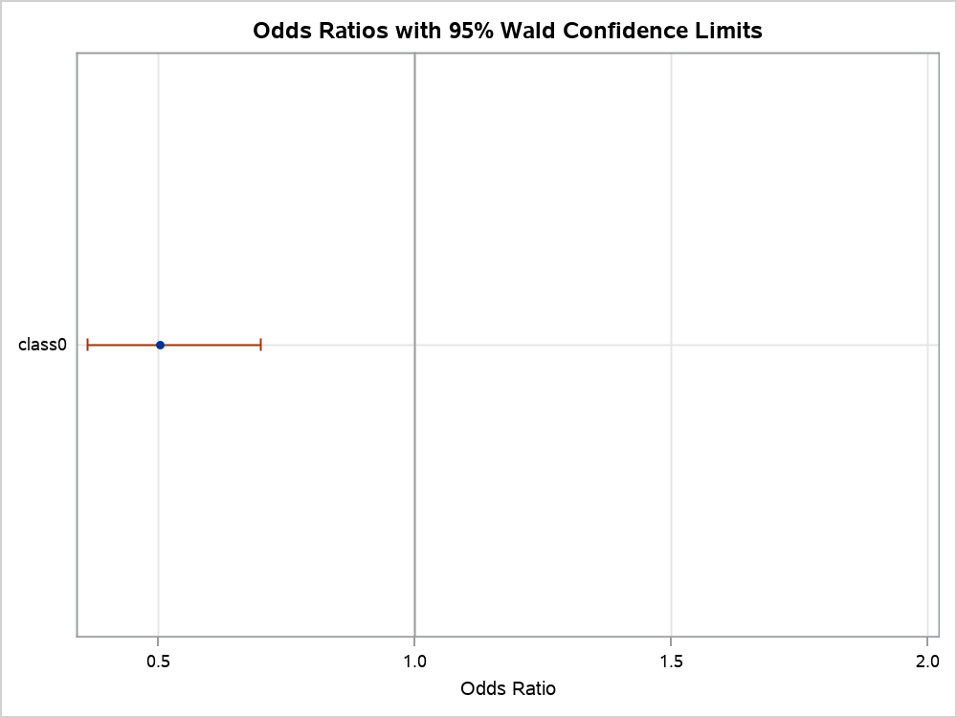
Modèle le plus performant

The LOGISTIC Procedure

Graph 2 - ROC Curve for Mode
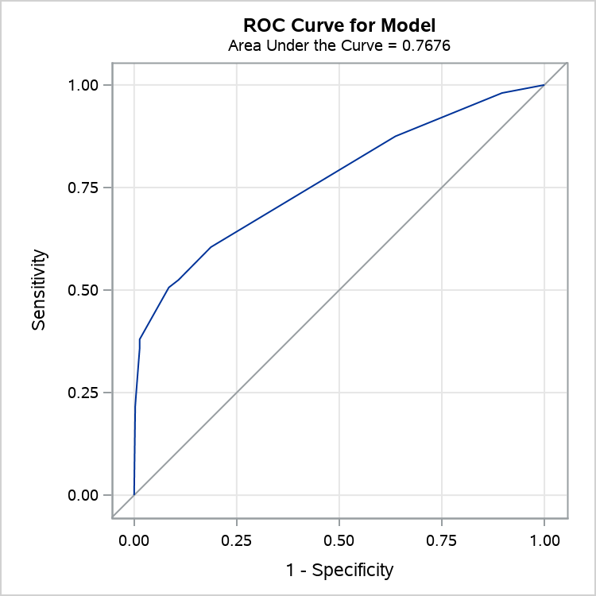
Modèle le plus performant

The LOGISTIC Procedure

Graph 3 - Influence Plots- P
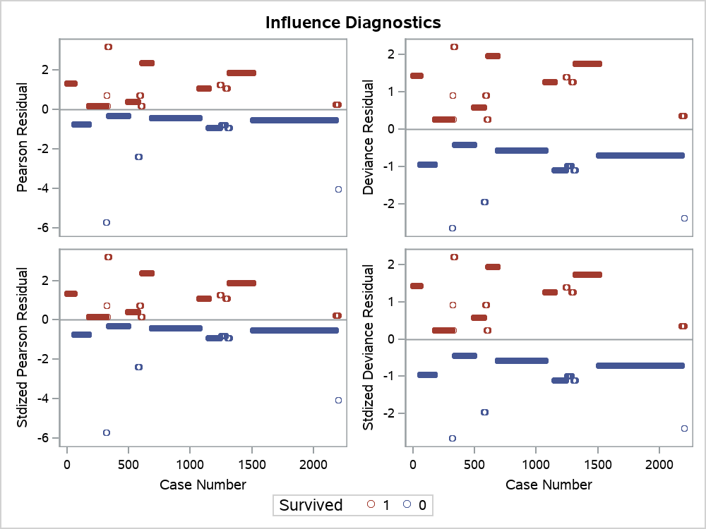
Modèle le plus performant

The LOGISTIC Procedure

Graph 4 - Influence Plots- P
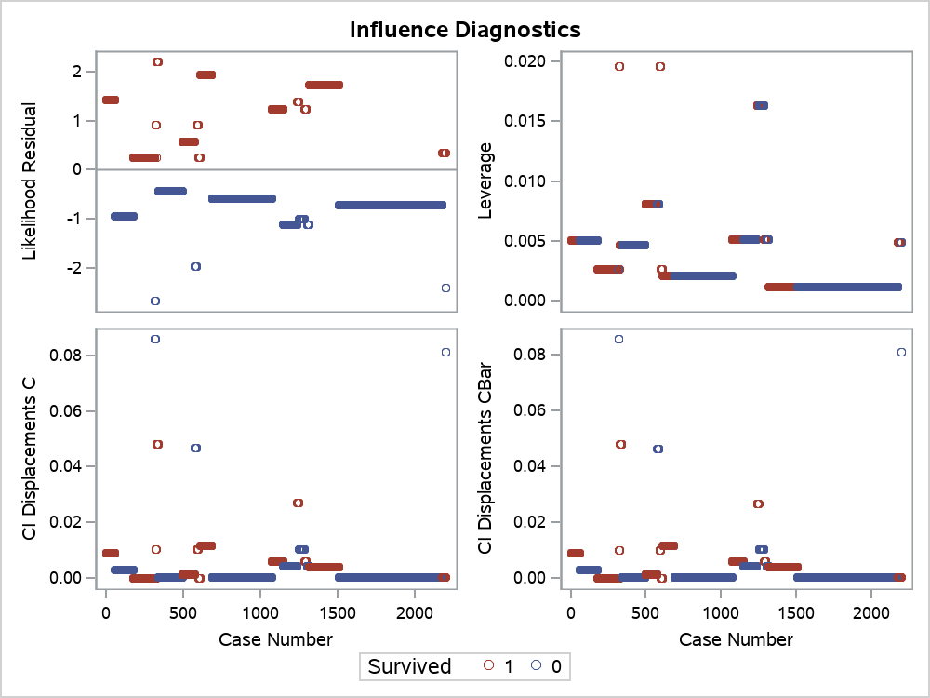
Modèle le plus performant

The LOGISTIC Procedure

Graph 5 - Influence Plots- P
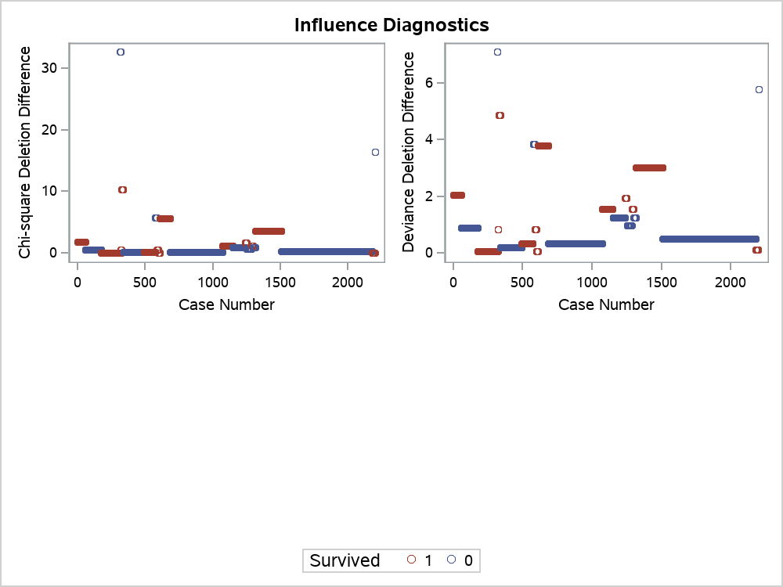
Modèle le plus performant

The LOGISTIC Procedure

Graph 6 - DfBetas Plots- Pan
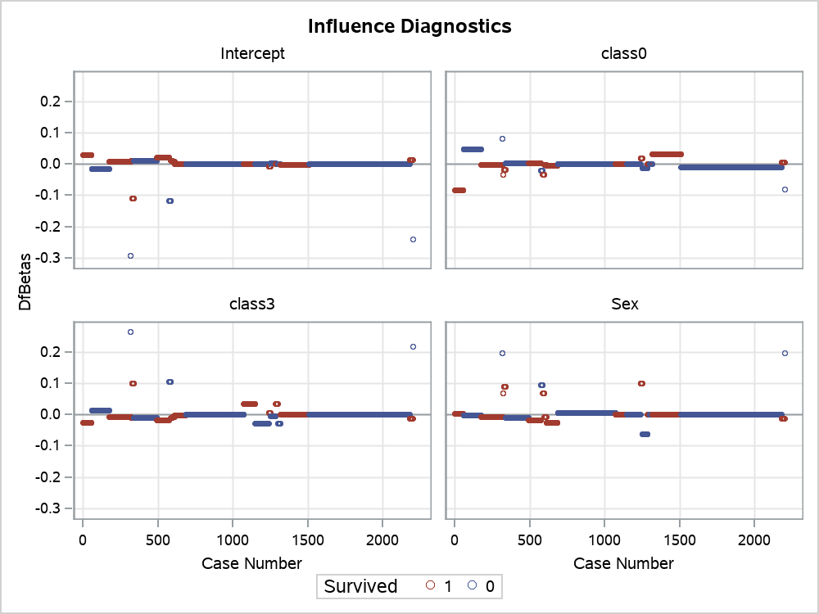
Modèle le plus performant

The LOGISTIC Procedure

Graph 7 - DfBetas Plots- Pan
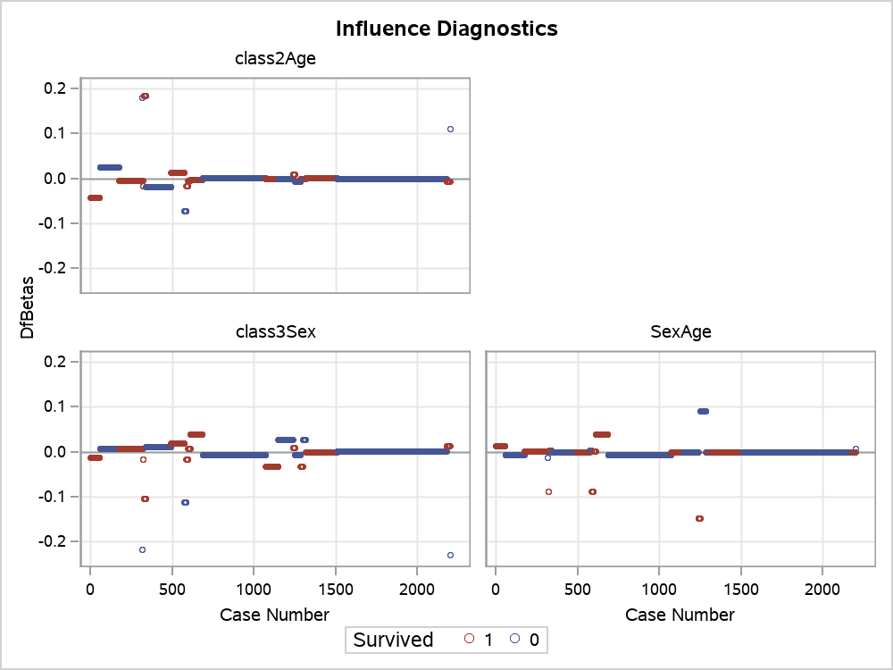
Modèle le plus performant

The LOGISTIC Procedure

Graph 8 - Predicted Probabil
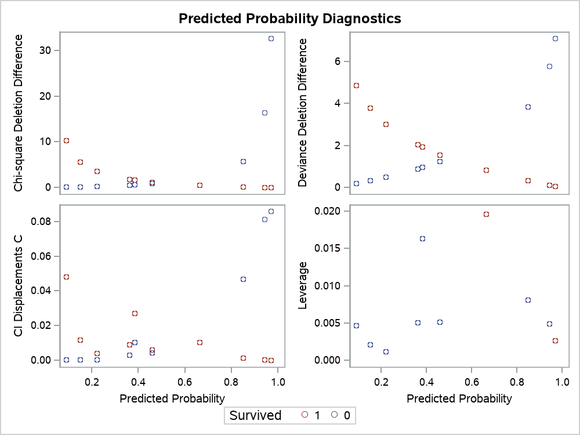
Modèle le plus performant

The LOGISTIC Procedure

Graph 9 - Leverage Plots
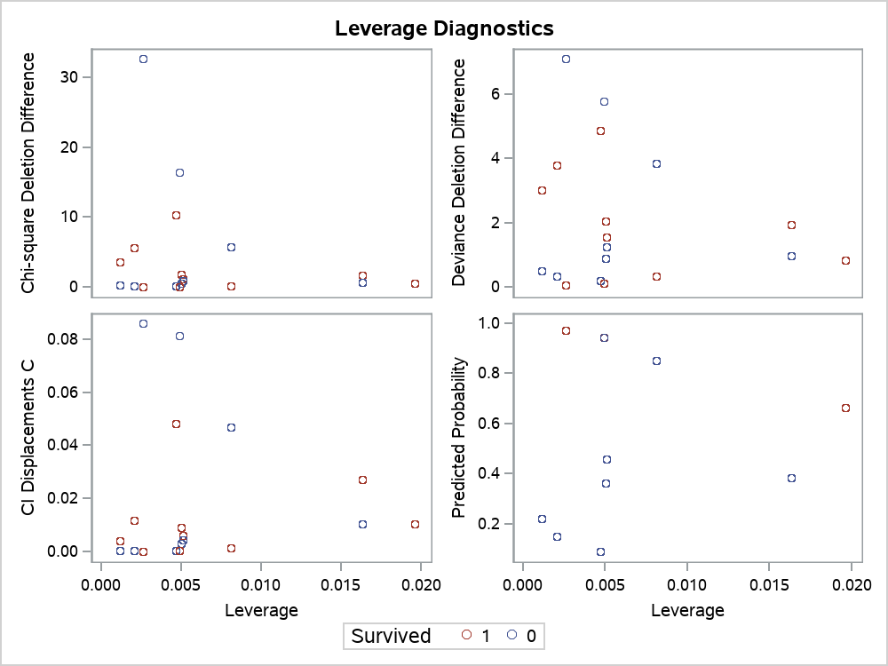
Modèle le plus performant

The LOGISTIC Procedure

Graph 10 - Plots of Pearson
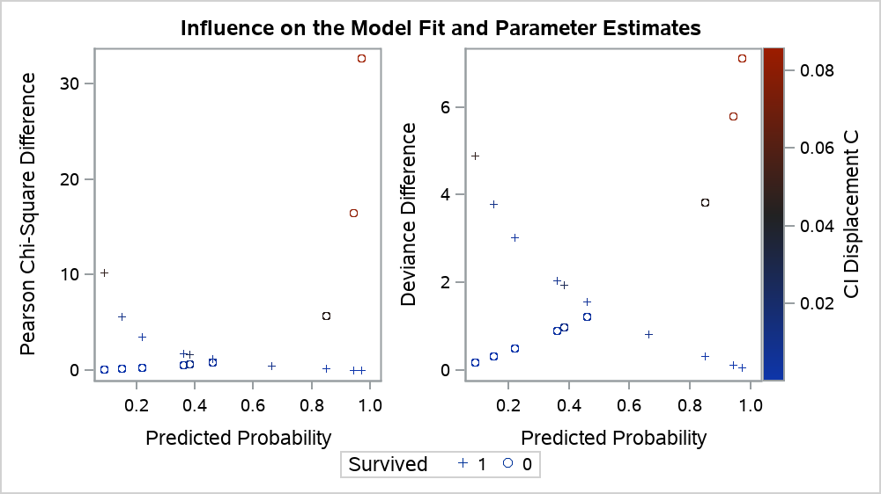
Modèle le plus performant

The LOGISTIC Procedure

Graph 11 - Plot of Predicted
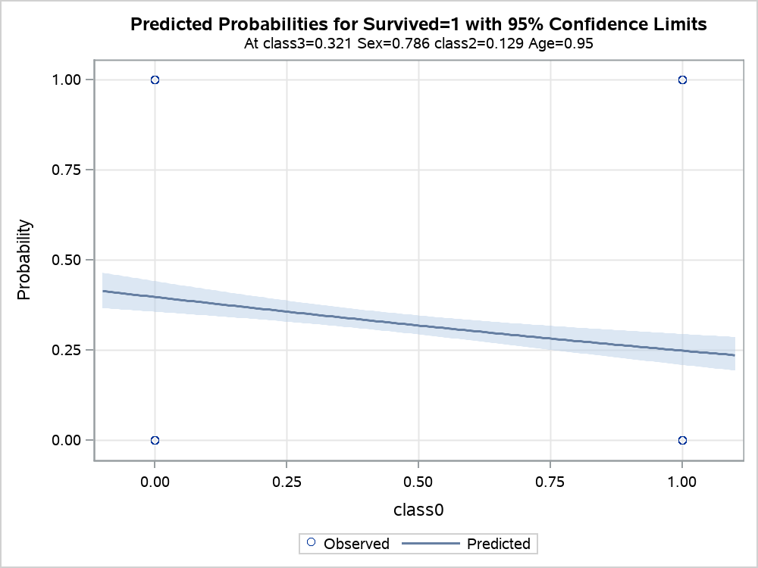
Modèle le plus performant

The LOGISTIC Procedure

Graph 12 - Calibration Plot
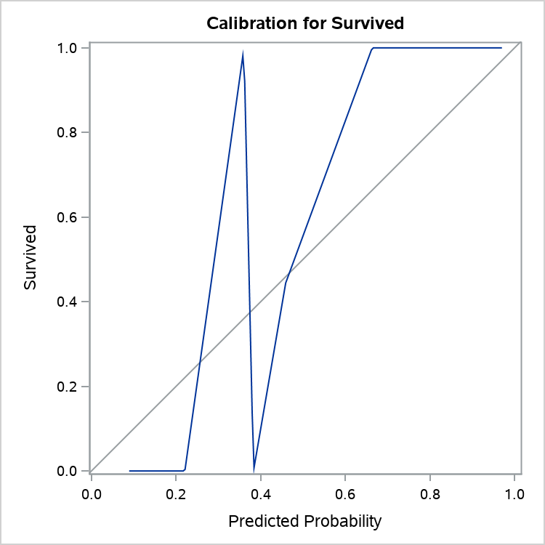
Modèle le plus performant

The LOGISTIC Procedure

